Instructions
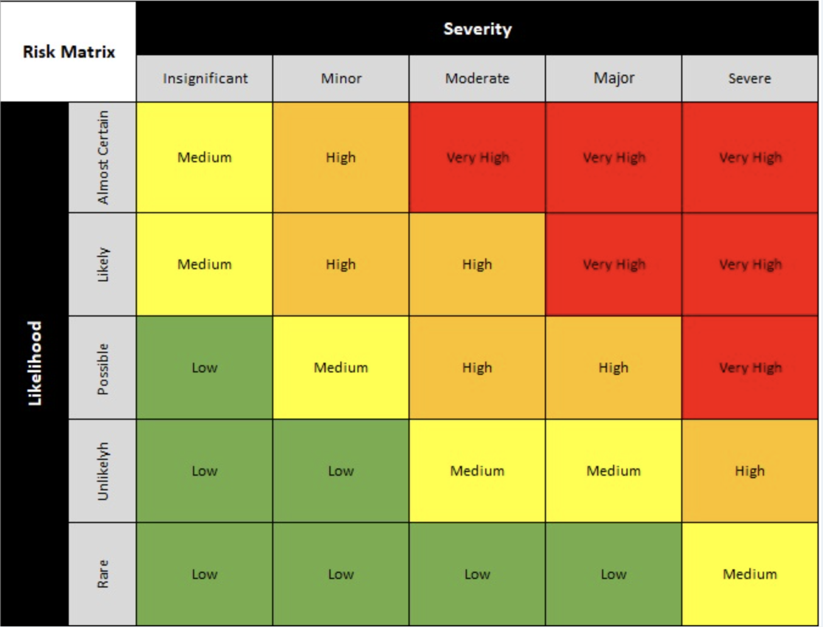
Instructions for use:

Worksheet 'Risk Matrix'
This where you enter the type of risk (dropdown list), a risk description, and then assign a value to the Likelihood and Severity (dropdown boxes).
The worksheet will calculate the Risk Score (based on severity and likelihood) and colour code the cell
You can put dates in the various columns to track progress on them
The validation worksheet is protected to ensure you don't overwrite the formulas that calculate the risk score and colour code the cells

Any questions or problems feel free to get in touch:
Dave Greenberg
dave@thedavegreenberg.com
www.thedavegreenberg.com
Linkedin: https://www.linkedin.com/in/davegreenberg-speaker/

Frameworks
